Map
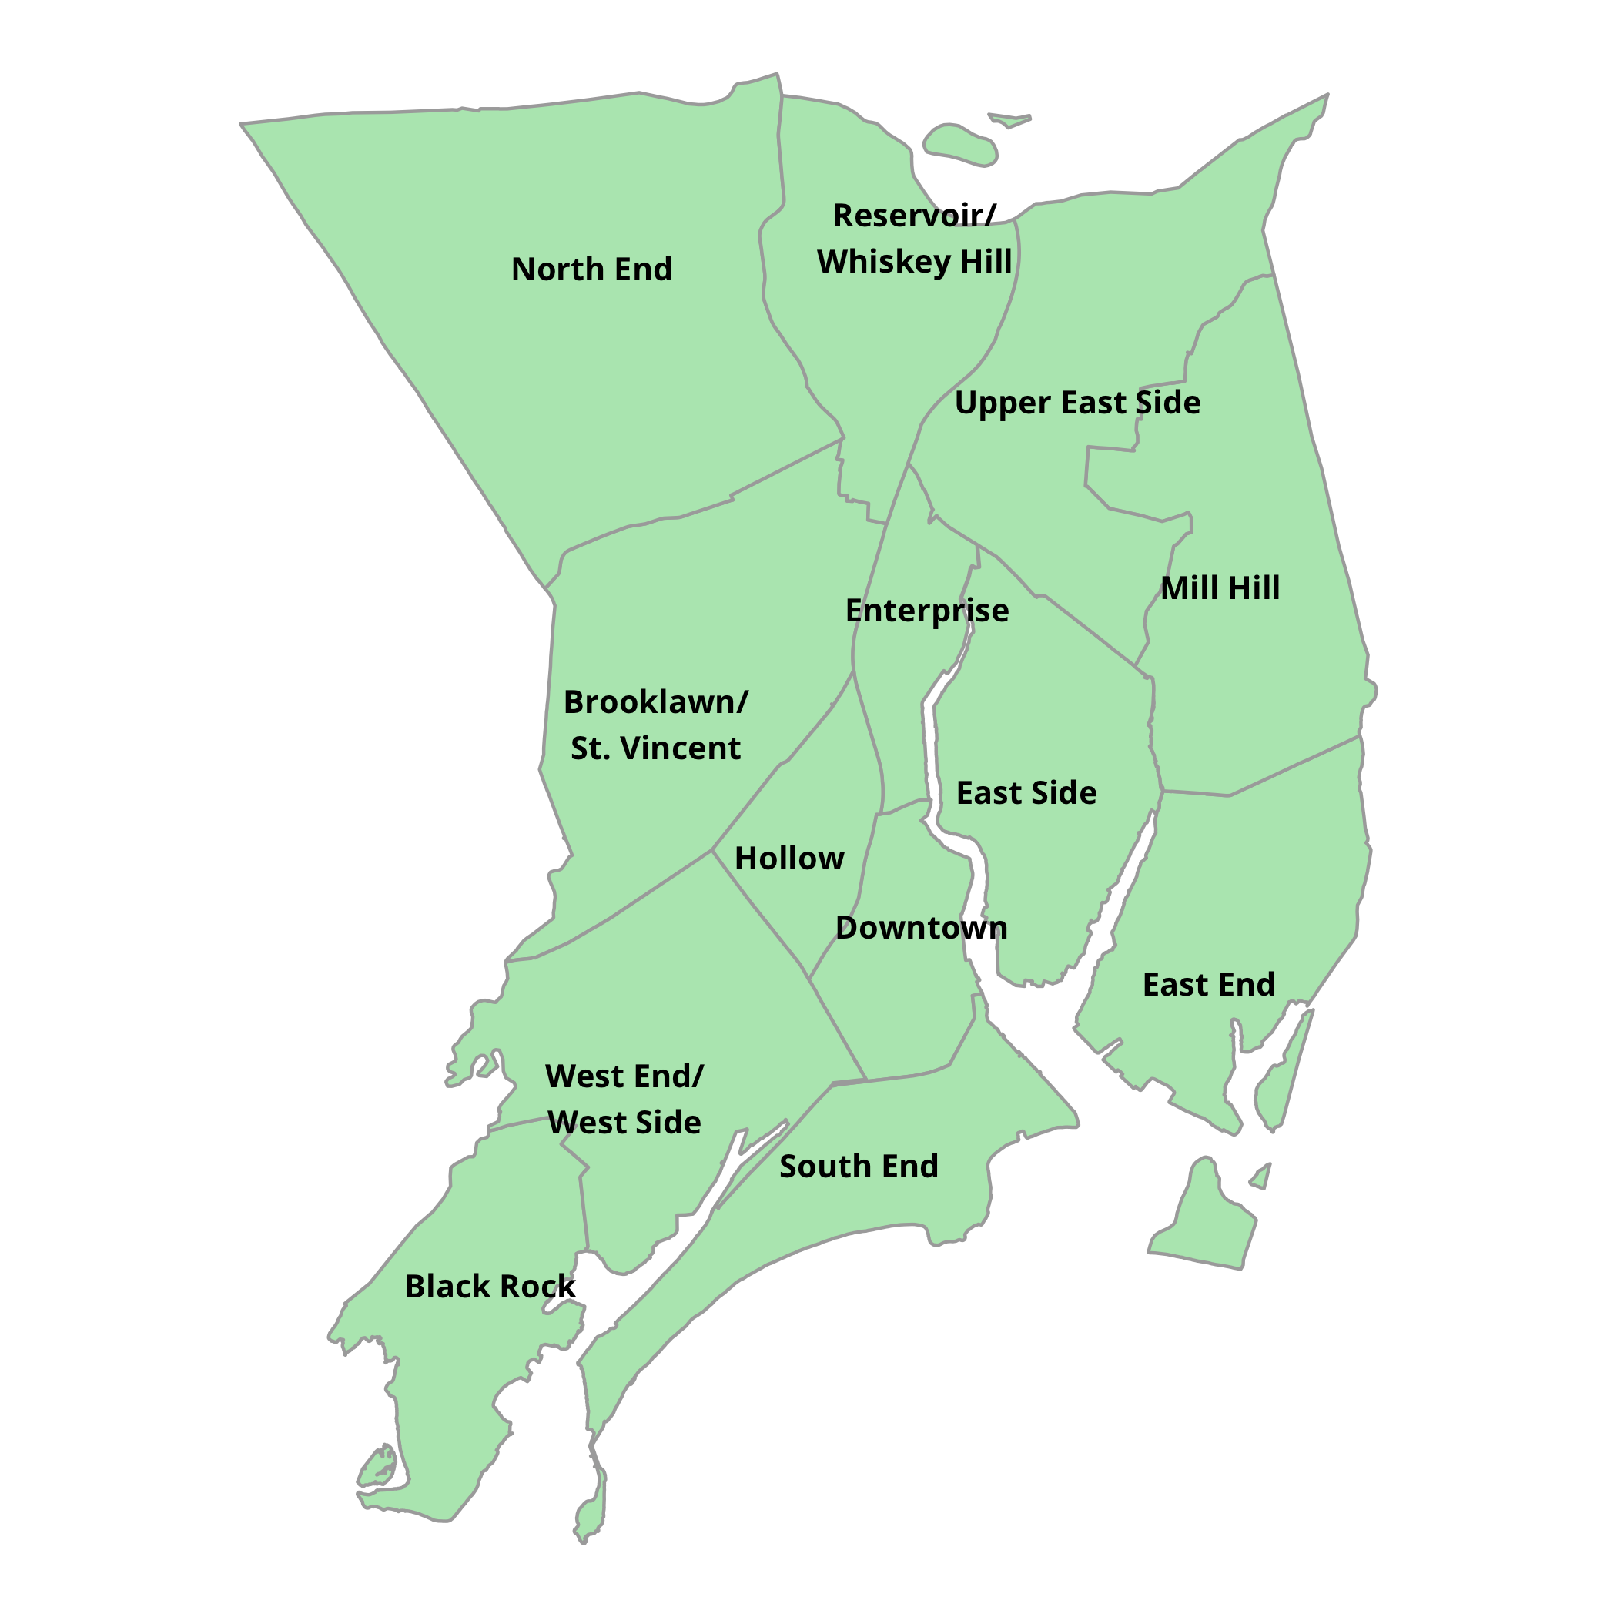
DataHaven 2016 Bridgeport Neighborhood Estimates
Please cite: DataHaven. (2018). DataHaven 2016 Bridgeport Neighborhood Estimates, based on 2016 5Y American Community Survey. New Haven, CT: DataHaven
Neighborhood-level data from the American Community Survey are subject to high margins of error. Compare and use with caution.

Neighborhoods in Bridgeport, Connecticut
All indicators derived from the 2016 5Y American Community Survey

